Sheet1
 | X | Y
 | 93% | 7%
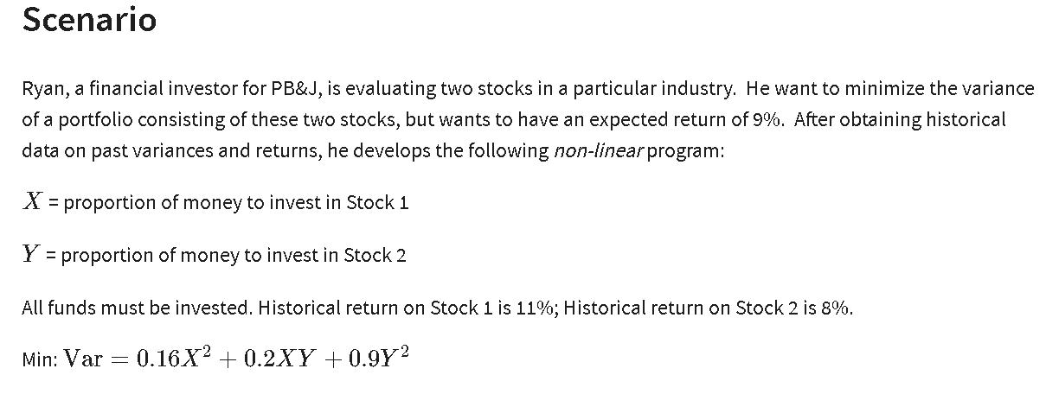
Formulas | X^2 | XY | Y^2
 | 0.86533261804 | 0.06 | 0.0048674955077
 | =B2^2 | =B2*C2 | =C2^2
Coefficients | 0.16 | 0.2 | 0.9

Objective (min)
Variance | 0.15581395349

Constraints |  |  | LHS | Sign | RHS
Invest all funds | 1 | 1 | 100% | = | 100%
Expectations | 11% | 8% | 11% | >= | 9%

